SafetyB
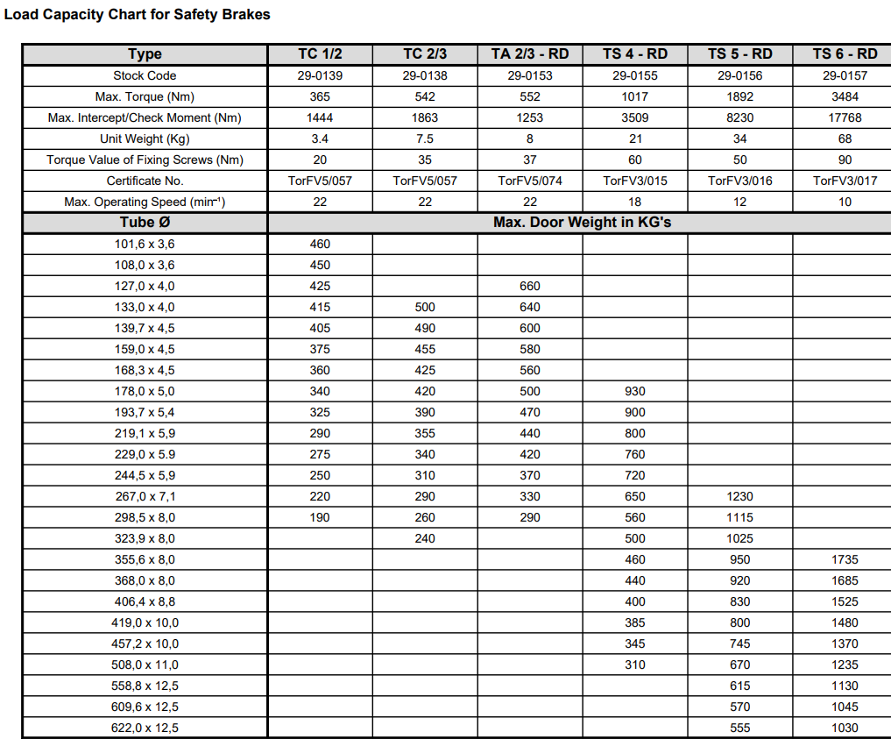
Name | Operating Torque (Nm) | Max Safety Torque (Nm) | Max Locking Speed (RPM) | Manufacture | Door max weight in kgs on 100mm axle | Driveshaft diameter mm | Stop distance | SB image
RD80 | 95 | 545 | 22 | Timmer |  | 18s | 10
RD150 | 147 | 812 | 22 | Timmer |  | 18s | 10
TA 1/2 RD | 332 | 796 | 22 | Timmer | 480 | 30 | 10
TA 2/3 RD | 552 | 1253 | 22 | Timmer |  | 40 | 10
TA3 RD | 599 | 3081 | 20 | Timmer |  | 40 | 10
TA4 RD | 1063 | 4092 | 18 | Timmer |  | 50 | 10
TA5 - RD | 1943 | 10336 | 12 | Timmer |  | 65 | 10
TA6 - RD | 3503 | 14014 | 10 | Timmer |  | 80 | 10
RSB-G | 130 | 276 | 22 | Ellard |  | 18s | 10
GDB 18 | 145 | 365 | 22 | Ellard | 200 | 18s | 10
RSB 1 / 2 (RSB1-30) | 332 | 1444 | 22 | Ellard | 460 | 30 | 10
RSB 2 / 3 (RSB1-40) | 542 | 1863 | 22 | Ellard |  | 40 | 10
RSB 4 (PCM10A) | 1000 | 3560 | 12 | Ellard |  | 50 | 10
TA4 | 1063 | 4092 | 18 | Ellard |  |  | 10
RSB-1-18a | 145 | 365 | 22 | Marantec | 200 | 18s | 10

